Bug Report
Defect Report |  | Defect Report

Bug ID | BUG_001 | Bug ID | BUG_002
Title | Server accept product even though the request body is empty | Title | Server accept product even though the price data type is invalid
Steps to Reproduce | Create a product via POST /products/add, Leave the request body empty | Steps to Reproduce | Create a product via POST /products/add, then send invalid data type for price
Expected Result | Server should reject with 400 for missing required fields | Expected Result | Server should reject with 400 bad request
Actual Result | 201 Created and the server accepted product with empty request body and no data | Actual Result | 201 Created and the server accepted product with invalid data type for price
Environment | Public API, browser/Postman | Environment | Public API, browser/Postman
Severity | Medium | Severity | Medium
Priority | Medium | Priority | Medium
Status | open | Status | open
screenshots | 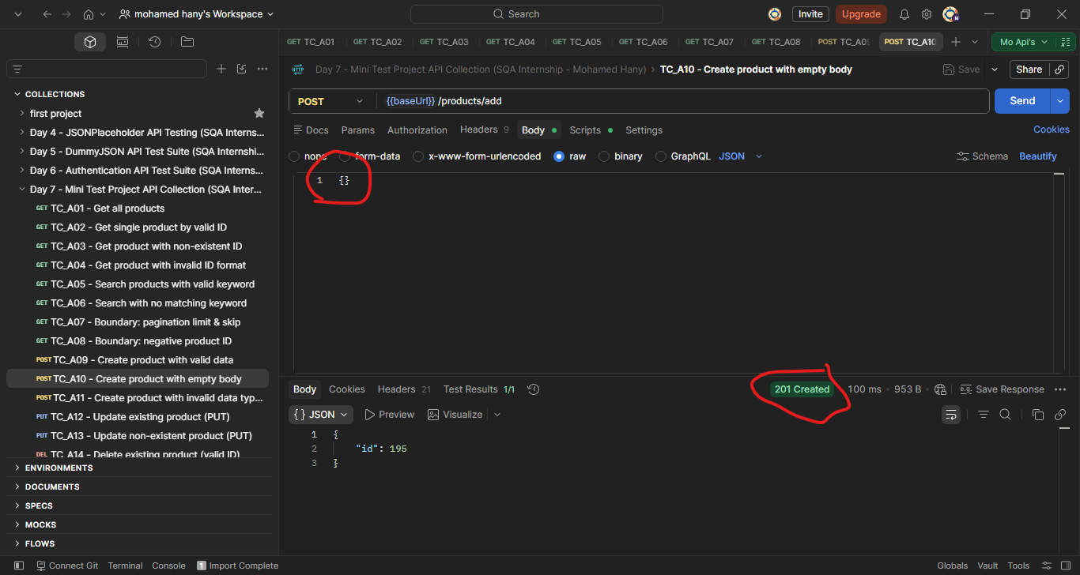 | Evidence/Status | 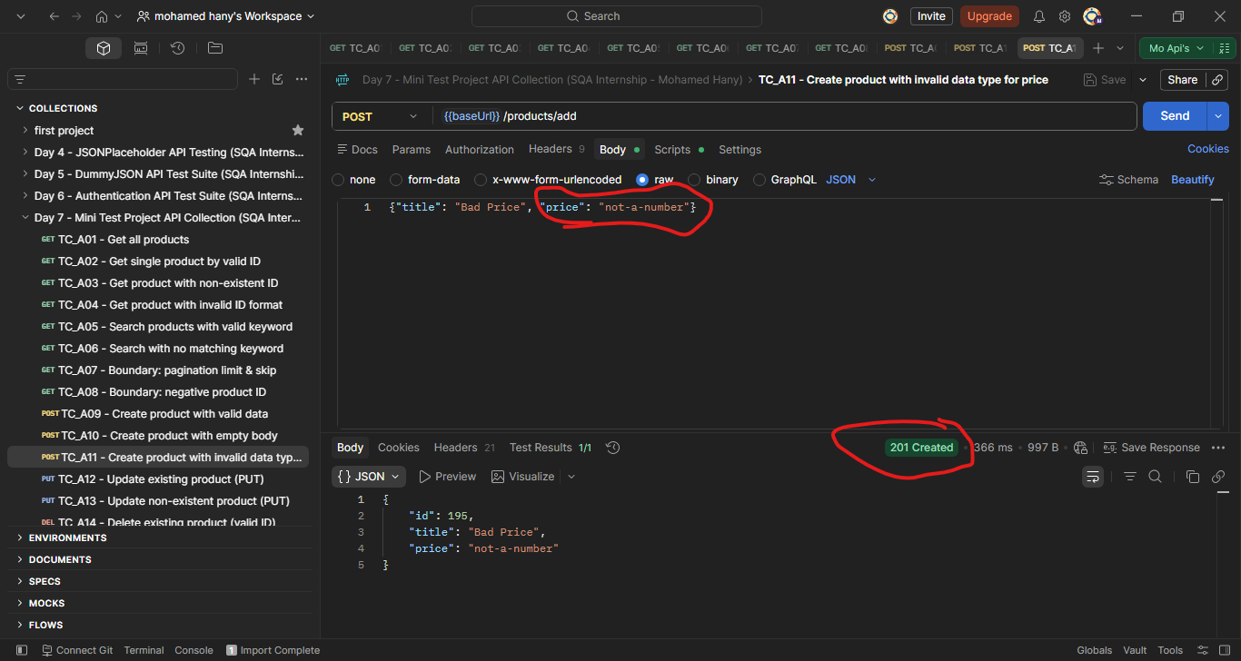
© Copy rights for QAcart 2022

